Charts
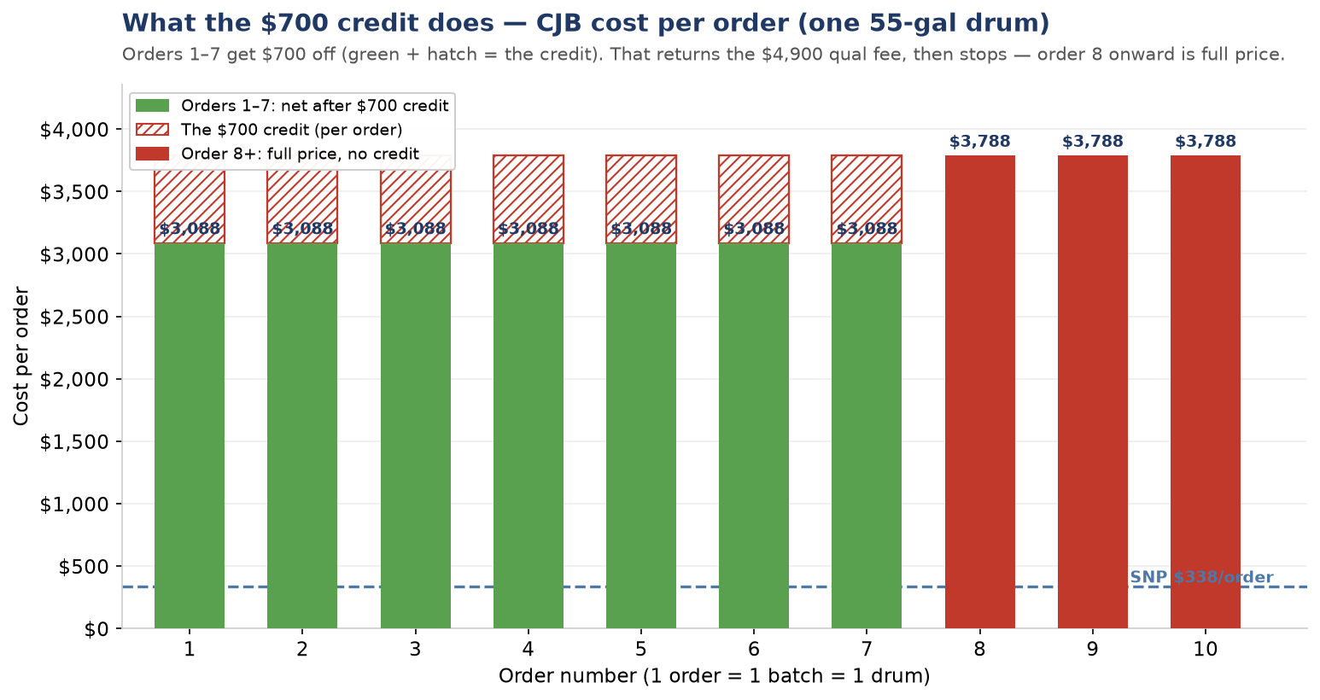
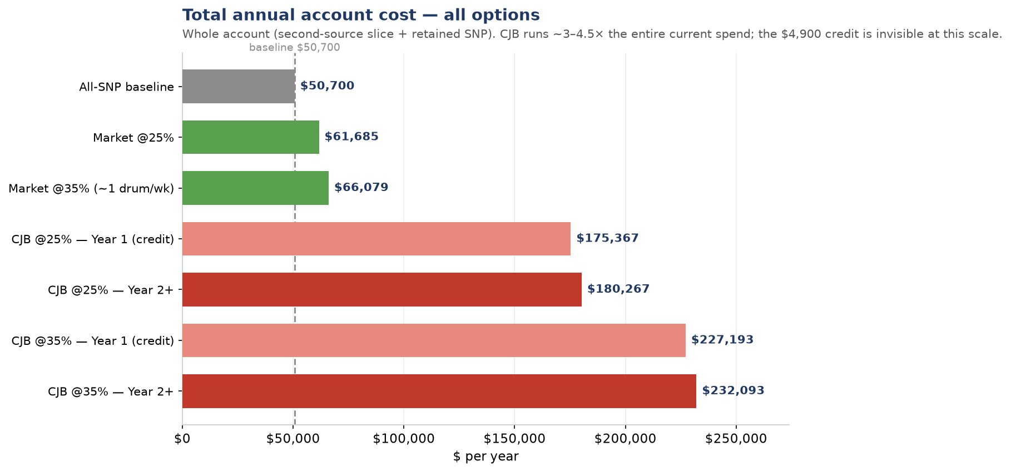
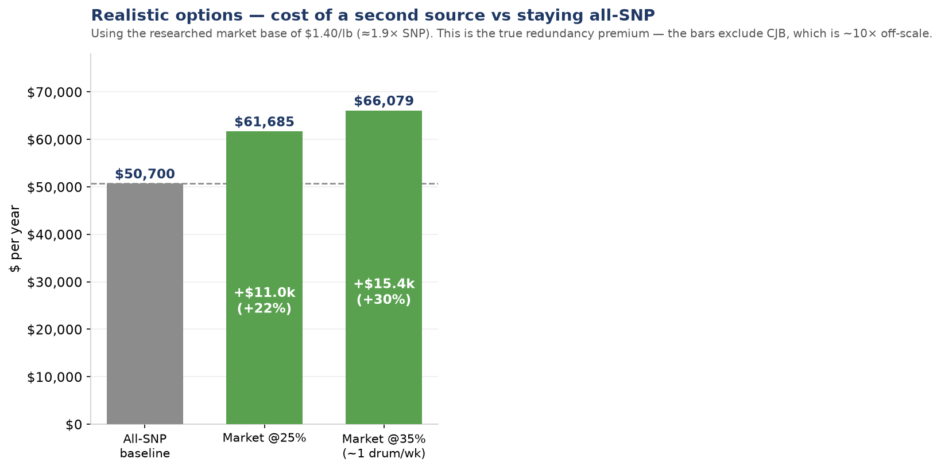
PVA Second Source — Cost Charts
Every bar is labeled. See data tabs for the underlying numbers and the Market Research tab for sources.

Per-Order (credit)
CJB — Cost per Order, and what the $700 credit does
CJB landed per drum ≈ $3,788 (toll $3,712 + materials $75 + freight $0). Credit = $700 off each of the first 7 orders. SNP, for scale, is $338/order.

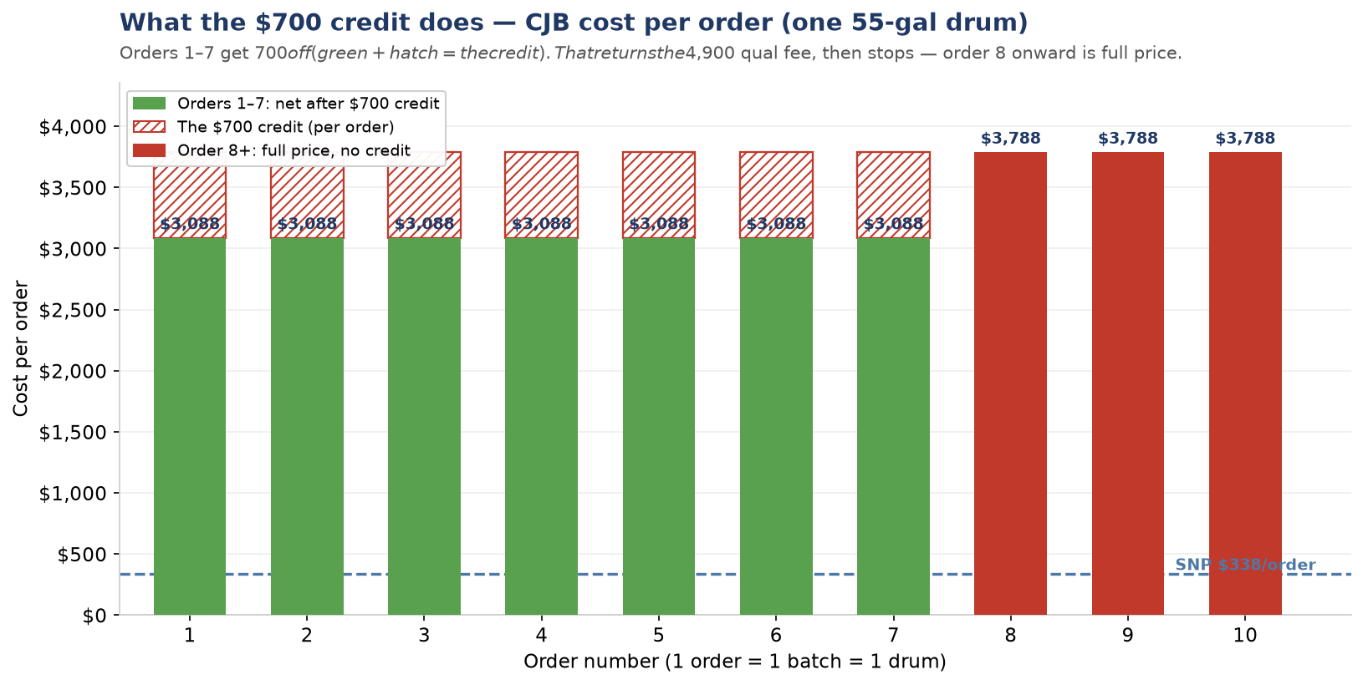
Order # | CJB WITHOUT credit | CJB WITH credit | Cumulative credit
1 | $3,788 | $3,088 | $700
2 | $3,788 | $3,088 | $1,400
3 | $3,788 | $3,088 | $2,100
4 | $3,788 | $3,088 | $2,800
5 | $3,788 | $3,088 | $3,500
6 | $3,788 | $3,088 | $4,200
7 | $3,788 | $3,088 | $4,900
8 | $3,788 | $3,788 | $4,900
9 | $3,788 | $3,788 | $4,900
10 | $3,788 | $3,788 | $4,900

The credit returns the full $4,900 qualification fee over the first 7 orders, then stops.
After order 7, every CJB order is at full price. The credit refunds the qual; it is not an ongoing discount.

Annual Scenarios

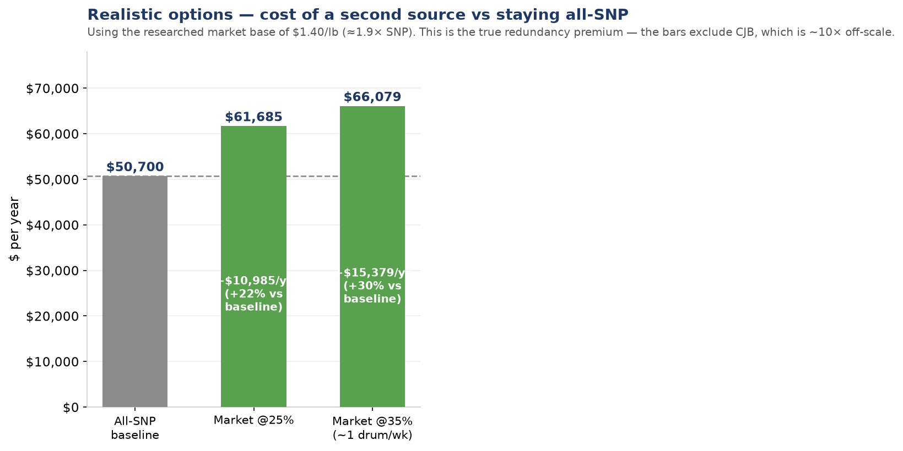

Total Annual Account Cost — by supplier, split, and year
Whole-account cost (2nd source + retained SNP). Total demand ≈ 150 drums/yr. 35% split ≈ 1 drum/week. CJB Year-1 reflects the one-time $4,900 credit; Year-2+ does not.

Scenario | Annual $
All-SNP baseline | $50,700
Market @25% | $61,685
Market @35% | $66,079
CJB @25% — Yr 1 (credit) | $175,367
CJB @25% — Yr 2+ | $180,267
CJB @35% — Yr 1 (credit) | $227,193
CJB @35% — Yr 2+ | $232,093

Realistic options only (CJB excluded — it is ~10x and dwarfs the scale)
Scenario | Annual $
All-SNP baseline | $50,700
Market @25% | $61,685
Market @35% | $66,079

